Sheet1
Sticker Number | Sticker Picture | Event
1 | 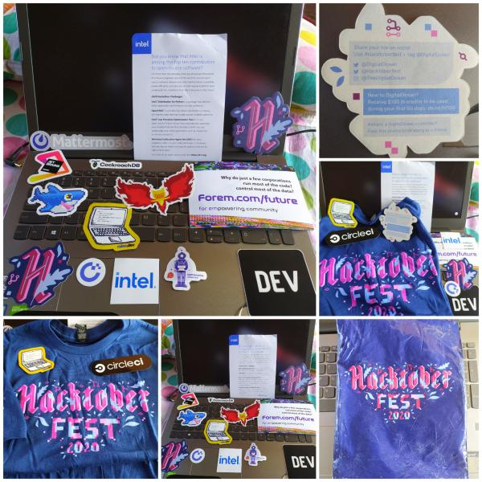 | Hactober Fest
2 |  | Facebook
3 |  | AWS
4 | 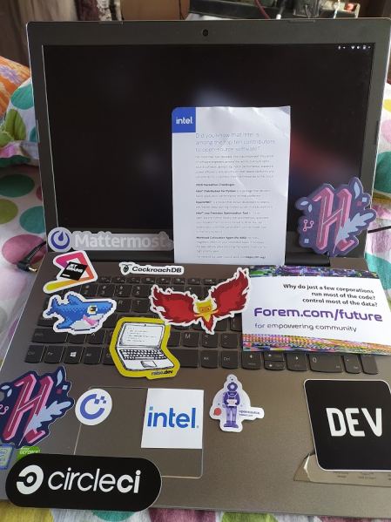 | More Hactober
5 |  | Devfest
6 | 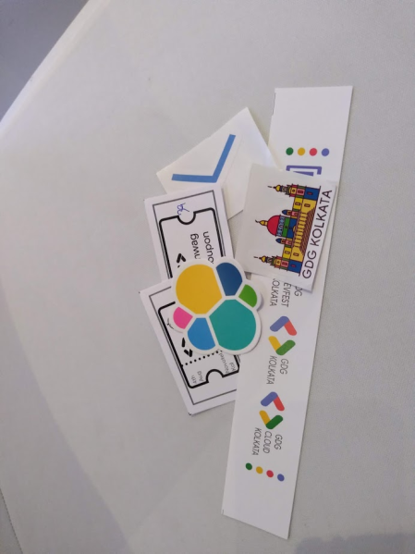 | GDG
7 |  | Google Reviewer
8 | 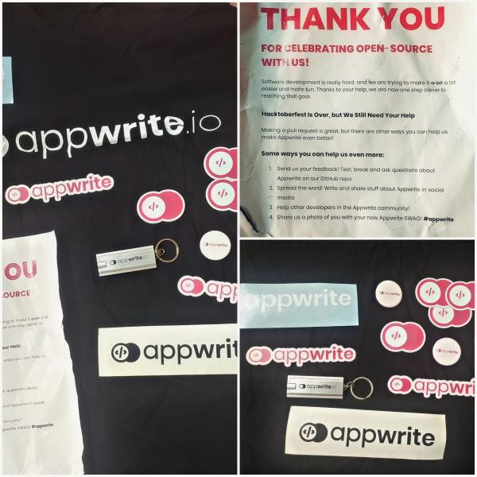 | Appwrite
9 |  | Random Collection
10 | 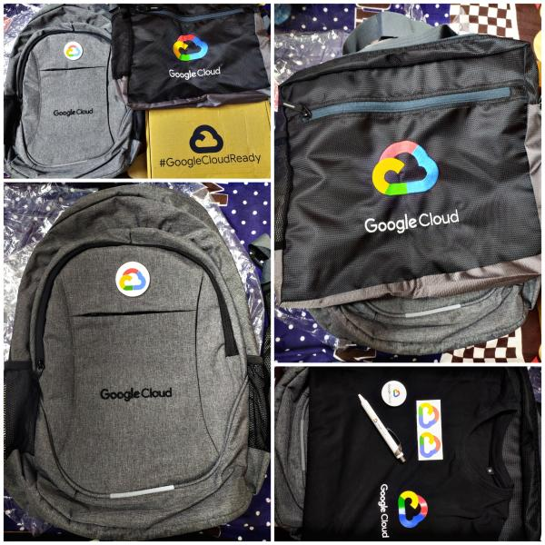 | Google Cloud
11 | 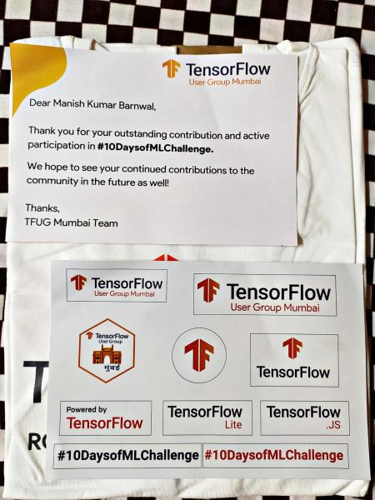 | Tensorflow
12 |  | MLH and randoms
13 |  | Hackkerrank
14 |  | Loginradius hacktober

